Instructions
Instructions:
Decide which departments, job titles and employees for which you would like to complete a compensation analysis. Use your Payroll or HRIS system to download a list of each of these employees and their location (city), current job title and current base pay.
Collect all of your internal salary bands or ranges for each job title being benchmarked. These are the pay ranges you have set internally with low and high bounds for which you will pay for each job title based on the job credentials. Note that sometimes a single job title will have multiple levels or multiple locations, each of these job titles will be listed separately with their own salary range in this analysis.
Prepare any external benchmarking data that you have access to, or evaluate which data sources would be a best fit for your organization. Research salary ranges and a Target Market Salary per each role you are benchmarking. Note that sometimes a single job title will have multiple levels or multiple locations, eahc of htese job titles will be listed separately with their own Target Market Salary in this analysis.
Clear out the example benchmarking data in the template by deleting all data highlighted in gray, on each tab. You can see each section to clear higlighted in red, below:
Jobs to Benchmark:
Employee Comp Analysis:
Note, all sections that are not highlighted gray will automatically populate by formula as you complete each step below.
Step 1: Complete Jobs to Benchmark
Job Title data
In the sections where you cleared the example job title data on the Jobs to Benchmark tab, enter the job titles for the employees you wish to complete a compensation analysis.
Each job title will need a unique job title, location, experience and education.
If you have a defined internal salary range for each of these job titles, enter the salary band min and salary band max (the average will populate, automatically). If you do not have a defined salary range for internal use, leave these fields blank.
Notice you can select the drop down in each cell for the following columns:
Minimum Experience (years).
Minimum Education
Tip: If you have muliple levels within each role, assign each job title a unique title, education and level of experience
External Salary Benchmarks
In the sections where you cleared the example data for External Salary Benchmarks, enter your preferred salary benchmarks for each job title. Make sure to take into considerations the credentials for each job title, especially if there are multiple levels for that role within your organization.
Once you have researched the salary range (low and high) for each job title, determine a Target Market Salary that makes sense for your orgnaizations pay philosophy. This will be the salary that is used within the Employee Compesation Analysis section and to determine comeptitiveness against market rates.
Tip: During compensation analysis it is critical to get the Target Market Salary correct in order to effectively understand where you have pay gaps and potential retention risk for your employees.
Step 2: Complete Employee Comp Analysis
Employee Information
In the sections where you cleared the example data for Employee Information, enter each employee and their corresponding location, department, manager, first and last name, job title and current salary.
*Note the job title and location must match exactly to a job listed on Jobs to Benchmark completed in Step 1.
Evaluate employee pay against Established Salary Bands and Salary Benchmarks to understand if there are adjustments needed to your internal salary bands or employee pay to ensure market competitiveness.
Tip: Compa ratio will help you understand how each of yoru employees are paid compared with Established Salary Bands (if applicable). Use the Salary Benchmark section to evaluate how your salary bands and your employees compare to your Target Market Salary.
Proposed Salary Increase
In the sections where you cleared the example data for Proposed Salary Increase, enter the percent % increase that you would like to propose for the next employee raise cycle. This Proposed Salary Increase (%) should represent what pay increase you believe would be appropriate to ensure market competitiveness for your employees.
In this section you can also see how the dollar increase of the Proposed Salary Increase (%) as well as the Employee Proposed Salary and how the employee's proposed salary compares to the current Target Market Salary (external salary benchmark).
Step 3: Summary Results
Analyze by job title, department and manager or view results for your whole organization to see how your Proposed Salary Increases impact organizational budgets and competitiveness compared with your External Salary Benchmarks.
Tip: Be sure to refresh your pivot table after you complete Steps 1 and 2 to ensure your summary results populate. In Excel's header menu, navigate to Data > Refresh All
If you find the need to unlock any of the formula/locked cells, the protected sheets are locked by password: LaborIQLocked

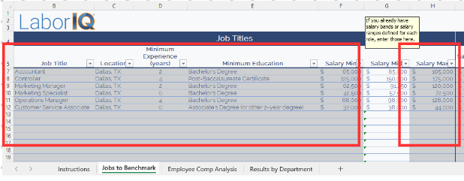

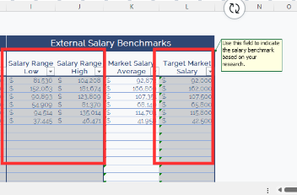

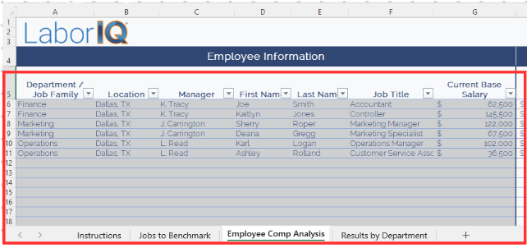

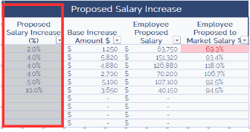

LaborIQ.co | info@laboriq.co | Schedule a Demo

Copyright © 2023 ThinkWhy LLC dba LaborIQ. All Rights Reserved.

